Sheet1
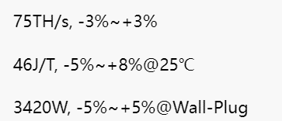
Data source: https://canaan-creative.com/products/avalonminer
There has the parameters like this
The older type has been Taken down

